Qualification Details Section
TC_ID | Project/ModuleName | Req_D | Scenario | Test Case Title | Steps | Test Data | Expected Results | Actual Result | Status (Passed/Failed)
TC_MyInfo_057 | Orange HRM-MyInfo | 3.1.10 | Qualification details section | Verify user can navigate to Qualifications section. | 1) Login to OrangeHRM as ESS user 2) Go to myinfo section 3) Click onQualifications option | NA | Qualifications section should be displayed.
TC_MyInfo_058 | Orange HRM-MyInfo | 3.1.10 | Qualification details section | Verify user can enter previous experience details. | 1) Login to OrangeHRM as ESS user 2) Go to myinfo section 3) Click on Qualifications option 4) Click on add work experience option | NA | User should be able to add following fields. 1) Company Name 2) Job Title 3) Start Date - End Date 4) Comment
TC_MyInfo_059 | Orange HRM-MyInfo | 3.1.10 | Qualification details section | Verify user can add multiple previous experience entries. | 1) Login to OrangeHRM as ESS user 2) Go to myinfo section 3) Click on Qualifications option 4) Click on add work experience option | NA | User should be able to add multiple experience details.
TC_MyInfo_060 | Orange HRM-MyInfo | 3.1.10 | Qualification details section | Verify saving experience details by keeping all mandatory fields empty. | 1) Login to OrangeHRM as ESS user 2) Go to myinfo section 3) Click on Qualifications option 4) Click on add work experience option 5) Fill start and end dates 6) Click on save button. | NA | 1) User should be able should not able to save experience details. 3) Error message "Required" should be displayed below respective mandatory fields.
TC_MyInfo_061 | Orange HRM-MyInfo | 3.1.10 | Qualification details section | Verify saving experience details by keeping any one mandatory fields empty. | 1) Login to OrangeHRM as ESS user 2) Go to myinfo section 3) Click on Qualifications option 4) Click on add work experience option 5) Add start and end dates and keep any one mandatory field empty 6) Click on save button. | NA | 1) User should be able should not able to save experience details. 3) Error message "Required" should be displayed below respective mandatory fields.
TC_MyInfo_062 | Orange HRM-MyInfo | 3.1.10 | Qualification details section | Verify ESS User can edit experience details | 1) Login to OrangeHRM as ESS user 2) Go to myinfo section 3) Click on Qualifications option 4) Click on edit icon to edit details. | NA | User should be able to edit experience details.
TC_MyInfo_063 | Orange HRM-MyInfo | 3.1.10 | Qualification details section | Verify ESS User can delete any experience details. | 1) Login to OrangeHRM as ESS user 2) Go to myinfo section 3) Click on Qualifications option 4) Click on delete icon to delete details. | NA | Selected record should be delated.
TC_MyInfo_064 | Orange HRM-MyInfo | 3.1.10 | Qualification details section | Verify ESS User can delete multiple experience details at once. | 1) Login to OrangeHRM as ESS user 2) Go to myinfo section 3) Click on Qualifications option 4) Click on checkbox to select all records. 5) Click on delete button | NA | All Selected record should be delated at once.
TC_MyInfo_065 | Orange HRM-MyInfo | 3.1.10 | Qualification details section | Verify ESS user can add educational details. | 1) Login to OrangeHRM as ESS user 2) Go to myinfo section 3) Click on Qualifications option 4) Click add education option 5) Fill all the details 6) Click on Save button. | NA | 1) User should be able to add educational details. 2) Success message " Saved Successfully" should be displayed.
TC_MyInfo_066 | Orange HRM-MyInfo | 3.1.10 | Qualification details section | Verify ESS user can add multiple educational details ex- High school, Graduation, Post graduation details. | 1) Login to OrangeHRM as ESS user 2) Go to myinfo section 3) Click on Qualifications option 4) Click add education option 5) Fill all the details 6) Click on Save button. | NA | 1) User should be able to add mutiple educational details. 2) Success message " Saved Successfully" should be displayed.
TC_MyInfo_067 | Orange HRM-MyInfo | 3.1.10 | Qualification details section | Verify ESS user can edit any record | 1) Login to OrangeHRM as ESS user 2) Go to myinfo section 3) Click on Qualifications option 4) Click on edit icon to edit any record. | NA | User should be able to edit selected record.
TC_MyInfo_068 | Orange HRM-MyInfo | 3.1.10 | Qualification details section | Verify ESS user can delete any educational record. | 1) Login to OrangeHRM as ESS user 2) Go to myinfo section 3) Click on Qualifications option 4) Click on delete icon to delete record. | NA | 1) Selected record should be delated. 2) Success message " Successfully deleted" should be displayed.
TC_MyInfo_069 | Orange HRM-MyInfo | 3.1.10 | Qualification details section | Verify ESS user can delete all the educational records at once. | 1) Login to OrangeHRM as ESS user 2) Go to myinfo section 3) Click on Qualifications option 4) Click on checkbox to select all records. 5) Click on delete button | NA | 1) All selected record should be delated. 2) Success message " Successfully deleted" should be displayed.
TC_MyInfo_070 | Orange HRM-MyInfo | 3.1.10 | Qualification details section | Verify dropdown options and its working. | 1) Login to OrangeHRM as ESS user 2) Go to myinfo section 3) Click on Qualifications option 4) Click on Level option | NA | Dropdown should be displayed on screen and following options should be dislpayed. 1) Bachlors degree 2) College undergraduate 3) High school diploma 6) Masters degree
TC_MyInfo_071 | Orange HRM-MyInfo | 3.1.10 | Qualification details section | Verify working of date field | 1) Login to OrangeHRM as ESS user 2) Go to myinfo section 3) Click on Qualifications option 4) Click Start date/ End date option. | NA | 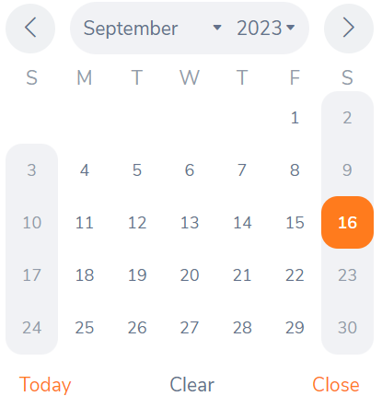 Proper single date picker calender should be displayed.
TC_MyInfo_072 | Orange HRM-MyInfo | 3.1.10 | Qualification details section | Verify saving edcutional details by keeping mandatory field i.e. Level empty. | 1) Login to OrangeHRM as ESS user 2) Go to myinfo section 3) Click on Qualifications option 4) Click on add education option. 5) Fill the data , keep Level field empty. | NA | User should not be able to save the details and error message "Required" should be displayed.
TC_MyInfo_073 | Orange HRM-MyInfo | 3.1.10 | Qualification details section | Verify ESS user can add skills details. | 1) Login to OrangeHRM as ESS user 2) Go to myinfo section 3) Click on Qualifications option 4) Click on add skills option. 5) Enter data in all the fields. | NA | User should be able to add skills.
TC_MyInfo_074 | Orange HRM-MyInfo | 3.1.10 | Qualification details section | Verify ESS user can add multiple skills details. | 1) Login to OrangeHRM as ESS user 2) Go to myinfo section 3) Click on Qualifications option 4) Click on add skills option. 5) Enter data in all the fields. | NA | User should be able to add multiple skills.
TC_MyInfo_075 | Orange HRM-MyInfo | 3.1.10 | Qualification details section | Verify saving skill details by keeping mandatory field empty. | 1) Login to OrangeHRM as ESS user 2) Go to myinfo section 3) Click on Qualifications option 4) Click on add skills option. 5) Enter data in all the fields except mandatory field. | NA | User shuld not be able save the details and error message "Required" should be displayed.
TC_MyInfo_076 | Orange HRM-MyInfo | 3.1.10 | Qualification details section | Verify ESS user can delete multiple skill detail records at once. | 1) Login to OrangeHRM as ESS user 2) Go to myinfo section 3) Click on Qualifications option 4) Click skill checkbox to select all the skill. 5) Click on the delete button. | NA | All the skill records should be deleted.
TC_MyInfo_077 | Orange HRM-MyInfo | 3.1.10 | Qualification details section | Verify ESS user can add language details | 1) Login to OrangeHRM as ESS user 2) Go to myinfo section 3) Click on Qualifications option 4) Click on add language option. 5) Fill all the details. | NA | 1)User should be able to add language details. 2) Added language details should be displyed below Language section.
TC_MyInfo_078 | Orange HRM-MyInfo | 3.1.10 | Qualification details section | Verify ESS user can add multiple language details. | 1) Login to OrangeHRM as ESS user 2) Go to myinfo section 3) Click on Qualifications option 4) Click on add language option. 5) Fill all the details. | NA | 1)User should be able to add language details. 2) Added language details should be displyed below Language section.
TC_MyInfo_079 | Orange HRM-MyInfo | 3.1.10 | Qualification details section | Verify ESS user can delete any language entry. | 1) Login to OrangeHRM as ESS user 2) Go to myinfo section 3) Click on Qualifications option 4) Click on checkbox to select desired language to delete. 5) Click on delete button | NA | Selected language record should be deleted.
TC_MyInfo_080 | Orange HRM-MyInfo | 3.1.10 | Qualification details section | Verify ESS user can delete all the language records. | 1) Login to OrangeHRM as ESS user 2) Go to myinfo section 3) Click on Qualifications option 4) Click on language checkbox to select all languages to delete. 5) Click on delete button | NA | All the selected recordes should be deleted.
TC_MyInfo_081 | Orange HRM-MyInfo | 3.1.10 | Qualification details section | Verify saving language details by keeping mandatory fields empty. (Language, Fluency, Competency) | 1) Login to OrangeHRM as ESS user 2) Go to myinfo section 3) Click on Qualifications option 4) Click add language option. | NA | User should not be able to save details.
TC_MyInfo_082 | Orange HRM-MyInfo | 3.1.10 | Qualification details section | Verify ESS user can add licence details | 1) Login to OrangeHRM as ESS user 2) Go to myinfo section 3) Click on Qualifications option 4) Click on add licence option. | NA | User should be able to enter and save the licence details.
TC_MyInfo_083 | Orange HRM-MyInfo | 3.1.10 | Qualification details section | Verify ESS user can select different licence type options | 1) Login to OrangeHRM as ESS user 2) Go to myinfo section 3) Click on Qualifications option 4) Click on add licence option. | NA | User should be able to select any licence type from dropdown list.
TC_MyInfo_084 | Orange HRM-MyInfo | 3.1.10 | Qualification details section | Verify ESS user can edit licence details | 1) Login to OrangeHRM as ESS user 2) Go to myinfo section 3) Click on Qualifications option 4) Click on edit icon under licence section. | NA | User should be able to edit required details.
TC_MyInfo_085 | Orange HRM-MyInfo | 3.1.10 | Qualification details section | Verify ESS user can delete licence details | 1) Login to OrangeHRM as ESS user 2) Go to myinfo section 3) Click on Qualifications option 4) Click on the delete icon to delete perticular licence details. | NA | User selected licence record should be deleted.
TC_MyInfo_086 | Orange HRM-MyInfo | 3.1.10 | Qualification details section | Verify ESS user can delete all the licence records at once | 1) Login to OrangeHRM as ESS user 2) Go to myinfo section 3) Click on Qualifications option 4) Click on checkbox under licence section to select all licence. 5) Click on the delete button. | NA | All the user selected licence record should be deleted.

Add Membership
TC_ID | Project/ModuleName | Req_D | Scenario | Test Case Title | Steps | Test Data | Expected Results | Actual Result | Status (Passed/Failed)
TC_MyInfo_087 | Orange HRM-MyInfo | 3.1.11 | Add Membership | Verify user can navigate to Membership section. | 1) Login to OrangeHRM as ESS user 2) Go to myinfo section 3) Click on Membership option. | NA | 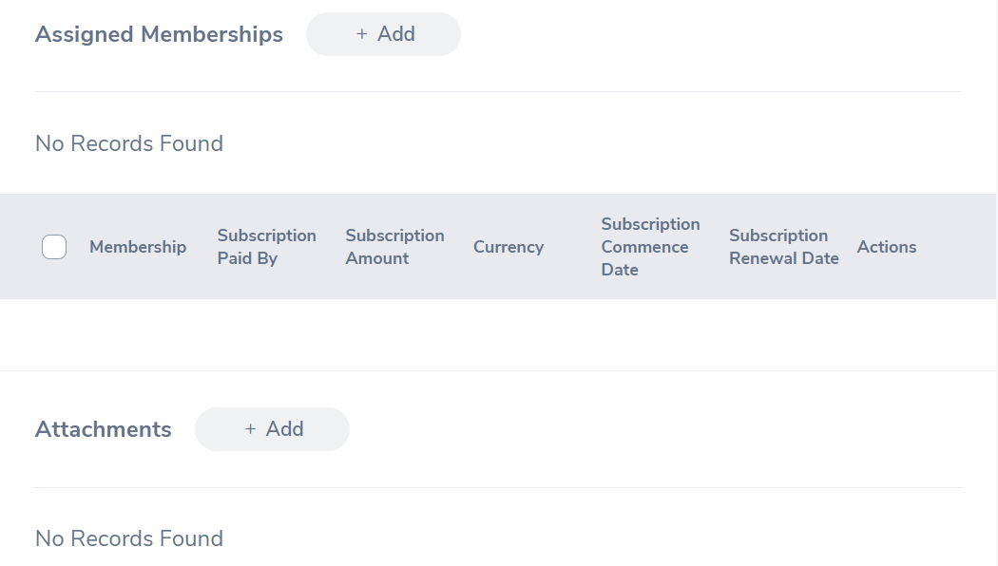 Membership section should be displayed.
TC_MyInfo_088 | Orange HRM-MyInfo | 3.1.11 | Add Membership | Verify ESS user can add membership details. | 1) Login to OrangeHRM as ESS user 2) Go to myinfo section 3) Click on Membership option. 4) Enter membership details | NA | User should be able to add and save the membership details.
TC_MyInfo_089 | Orange HRM-MyInfo | 3.1.11 | Add Membership | Verify ESS user can add multiple membership details. | 1) Login to OrangeHRM as ESS user 2) Go to myinfo section 3) Click on Membership option. 4) Enter membership details | NA | User should be able to emter multiple membership records.
TC_MyInfo_090 | Orange HRM-MyInfo | 3.1.11 | Add Membership | Verify ESS user can edit any membership details | 1) Login to OrangeHRM as ESS user 2) Go to myinfo section 3) Click on Membership option. 4) Click on edit icon. | NA | User should be able to edit selected membership record.
TC_MyInfo_091 | Orange HRM-MyInfo | 3.1.11 | Add Membership | Verify ESS user can delete any membership record | 1) Login to OrangeHRM as ESS user 2) Go to myinfo section 3) Click on Membership option. 4) Click delete icon next to particular entry | NA | Selected record should be deleted.
TC_MyInfo_092 | Orange HRM-MyInfo | 3.1.11 | Add Membership | Verify ESS user can delete all the membership record at once. | 1) Login to OrangeHRM as ESS user 2) Go to myinfo section 3) Click on Membership option. 4) Click on the checkbox next to the membership title to select all records 5) Click on delete button | NA | All the selected record should be deleted.

